TNF
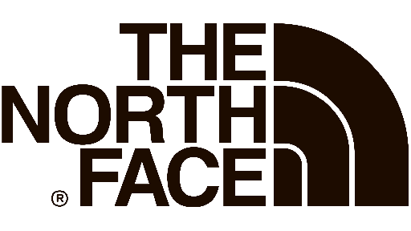

Styles | Description | Colours | GENDER | RRP | PHOTO | XS | S | M | L | XL | XXL | XXXL
NF0A3C8DNL1 | M 1996 RTRO NPSE JKT | EVERGREEN | MAN | 280.00 € |  | 1 |  |  |  |  | 1 |  | 2
Styles | Description | Colours | GENDER | RRP | PHOTO | XS | S | M | L | XL | XXL | XXXL
NF0A4QYNJK3 | DENALI 2 ANORAK | TNF BLACK | MAN | 140.00 € |  |  | 2 | 4 | 4 | 2 | 1 |  | 13
Styles | Description | Colours | GENDER | RRP | PHOTO | XS | S | M | L | XL | XXL | XXXL
NF0A4QYNNL1 | DENALI 2 ANORAK | EVERGREEN | MAN | 140.00 € |  |  |  |  | 3 | 2 | 1 |  | 6
Styles | Description | Colours | GENDER | RRP | PHOTO | XS | S | M | L | XL | XXL | XXXL
NF0A4QYNR15 | DENALI 2 ANORAK | FLARE | MAN | 140.00 € |  |  | 2 | 4 | 4 | 2 | 1 |  | 13
Styles | Description | Colours | GENDER | RRP | PHOTO | XS | S | M | L | XL | XXL | XXXL
NF00CF9CTM0 | BOREALIS CLASSIC | BLACK-GREY | UNISEX | 100.00 € |  |  |  |  |  |  |  |  | 3
Styles | Description | Colours | GENDER | RRP |  | XS | S | M | L | XL | XXL | XXXL
NF0A4QYNNL4 | DENALI 2 ANORAK | PEAK-PURPLE | MAN | 140.00 € | 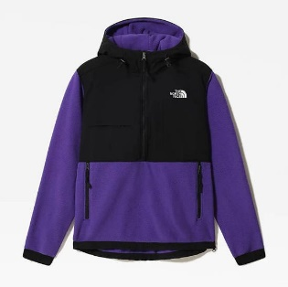 |  | 2 | 4 | 4 | 2 | 2 |  | 14
Styles | Description |  | GENDER | RRP |  | XS | S | M | L | XL | XXL | XXXL
NF0A4QYJJK3 | DENALI 2 JKT | TNF BLACK | MAN | 150.00 € | 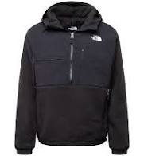 | 2 | 4 |  | 3 |  |  |  | 9
Styles | Description | Colours | GENDER | RRP |  | XS | S | M | L | XL | XXL | XXXL
NF0A4M93RG1 | M BRKLCALI TEE | AVIATOR NAVY | MAN | 35.00 € | 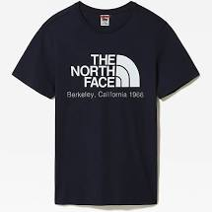 |  | 20 | 50 | 30 | 1 |  |  | 101
Styles | Description | Colours | GENDER | RRP |  | XS | S | M | L | XL | XXL | XXXL
NF00AHJYLA9 | M Drew Peak PLV HD | WHITE-BLACK | MAN | 80.00 € | 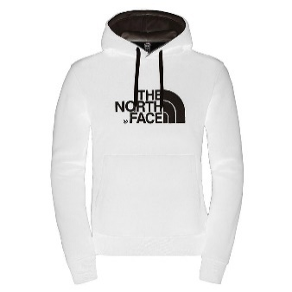 |  |  | 1 | 1 | 1 |  |  | 3
Styles | Description | Colours | GENDER | RRP |  | XS | S | M | L | XL | XXL | XXXL
NF00AHJYLXS | M Drew Peak PLV HD | GREY-BLACK | MAN | 80.00 € | 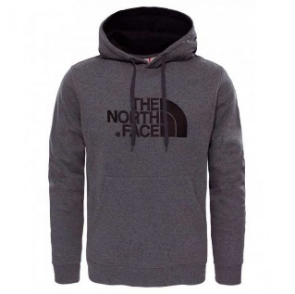 |  | 6 | 11 | 9 | 1 |  |  | 27
Styles | Description | Colours | GENDER | RRP |  | XS | S | M | L | XL | XXL | XXXL
NF00AHJYS8W | M Drew Peak PLV HD | AVTRNVY/PNKCLA 2021 | MAN | 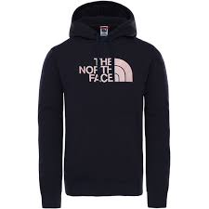 80.00 € |  | 2 | 1 | 4 | 2 | 1 | 1 |  | 11
Styles | Description | Colours | GENDER | RRP |  | XS | S | M | L | XL | XXL | XXXL
NF00AHJYSG2 | M Drew Peak PLV HD | TAN/OFF WHITE | MAN | 80.00 € | 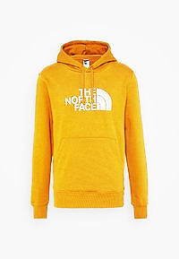 |  | 3 | 5 | 4 | 1 |  |  | 13
Styles | Description | Colours | GENDER | RRP |  | XS | S | M | L | XL | XXL | XXXL
NF00AHJYVCV | M Drew Peak PLV HD | SUMMIT GOLD/TNF WHITE | MAN | 80.00 € | 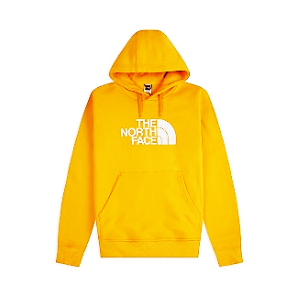 |  | 2 | 4 | 3 |  |  |  | 9
Styles | Description | Colours | GENDER | RRP |  | XS | S | M | L | XL | XXL | XXXL
NF0A3BPO03B | M FINE PANT | ASPHALT GREY | MAN | 85.00 € |  | 3 | 3 | 2 | 1 |  |  |  | 9
Styles | Description | Colours | GENDER | RRP |  | XS | S | M | L | XL | XXL | XXXL
NF0A4SWOJK3 | M HMLYN PANT | TNF BLACK | MAN | 85.00 € | 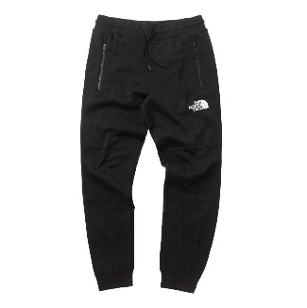 | 2 | 3 | 2 |  |  |  |  | 7
Styles | Description | Colours | GENDER | RRP |  | XS | S | M | L | XL | XXL | XXXL
NF00CYG9JK3 | M LA PAZ HOODED JKT | TNF BLACK | MAN | 260.00 € | 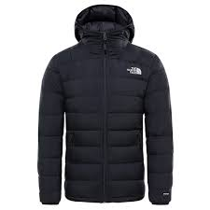 | 1 |  |  |  |  |  |  | 1
Styles | Description | Colours | GENDER | RRP |  | XS | S | M | L | XL | XXL | XXXL
NF0A2ZWUJK3 | M RAGLAN RED BOX HD | TNF BLACK | MAN | 80.00 € |  | 1 | 2 | 3 | 3 | 2 |  |  | 11
Styles | Description | Colours | GENDER | RRP |  | XS | S | M | L | XL | XXL | XXXL
NF00CEQ5LA9 | M S/S FINE TEE | TNF WHITE / TNF BLACK | MAN | 30.00 € | 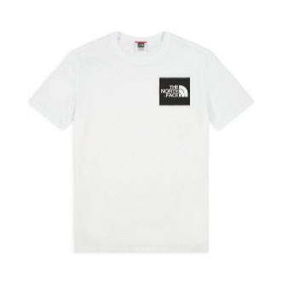 | 1 |  |  | 1 |  |  |  | 2
Styles | Description | Colours | GENDER | RRP |  | XS | S | M | L | XL | XXL | XXXL
NF0A2TX2JBV | M S/S Redbox Tee - Eu | GREY-BLACK | MAN | 30.00 € | 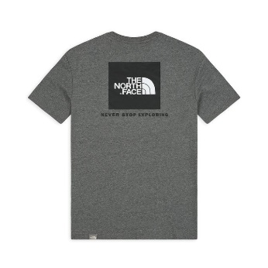 |  |  |  | 1 |  |  |  | 1
Styles | Description | Colours | GENDER | RRP |  | XS | S | M | L | XL | XXL | XXXL
NF0A2TX2VU9 | M S/S Redbox Tee - Eu | BLACK-SUMMIT GOLD | MAN | 30.00 € | 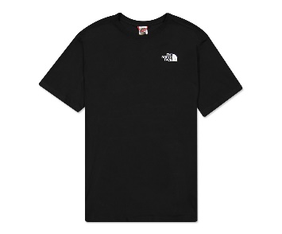 |  | 5 | 9 | 5 |  |  |  | 19
Styles | Description | Colours | GENDER | RRP |  | XS | S | M | L | XL | XXL | XXXL
NF0A2TUVGVD | M SEAS DREW PEAK HD | TNF MEDIUM GREY HEATHER/TNF BLACK | MAN | 75.00 € | 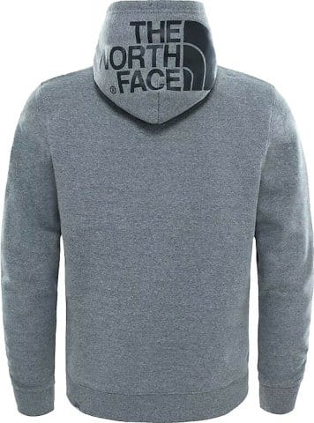 |  | 1 | 1 | 1 | 1 |  |  | 4
Styles | Description | Colours | GENDER | RRP |  | XS | S | M | L | XL | XXL | XXXL
NF0A2TUVVC7 | M SEAS DREW PEAK HD | TIMBER TAN | MAN | 75.00 € | 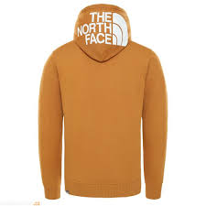 |  | 1 | 1 | 1 | 1 |  |  | 4
Styles | Description | Colours | GENDER | RRP |  | XS | S | M | L | XL | XXL | XXXL
NF0A4M7W174 | M STANDARD CREW | VANADIS GREY | MAN | 65.00 € | 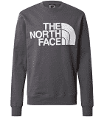 |  | 2 | 3 | 3 |  |  |  | 8
Styles | Description | Colours | GENDER | RRP |  | XS | S | M | L | XL | XXL | XXXL
NF0A4M7WJK3 | M STANDARD CREW | TNF BLACK | MAN | 65.00 € |  | 1 | 2 | 2 | 2 |  |  |  | 7
Styles | Description | Colours | GENDER | RRP |  | XS | S | M | L | XL | XXL | XXXL
NF0A3XYDDYX | M STANDARD HOODIE | LIGHT HEATHER GREY | MAN | 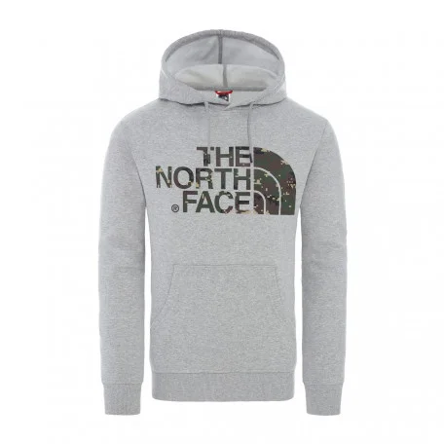 80.00 € |  |  |  |  |  |  | 1 |  | 1
Styles | Description | Colours | GENDER | RRP |  | XS | S | M | L | XL | XXL | XXXL
NF0A3XYDJK3 | M Standard Hoodie | TNF BLACK | MAN | 80.00 € | 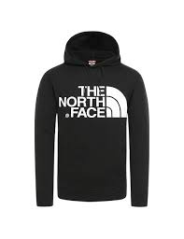 | 3 | 7 | 10 | 9 | 5 | 1 |  | 35
Styles | Description | Colours | GENDER | RRP |  | XS | S | M | L | XL | XXL | XXXL
NF0A3XYDR15 | M STANDARD HOODIE | FLARE | MAN | 80.00 € | 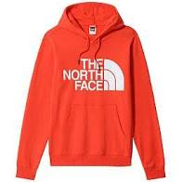 |  | 6 | 8 | 7 | 2 |  |  | 23
Styles | Description | Colours | GENDER | RRP |  | XS | S | M | L | XL | XXL | XXXL
NF0A4M7LJK3 | M STANDARD PT | TNF BLACK | MAN | 75.00 € |  |  |  |  |  | 2 | 1 |  | 3
Styles | Description | Colours | GENDER | RRP |  | XS | S | M | L | XL | XXL | XXXL
NF0A4M7X56P | M STANDARD SS TEE | TAN/OFF WHITE | MAN | 30.00 € | 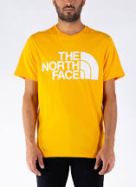 |  | 3 | 4 | 4 | 2 |  |  | 13
Styles | Description | Colours | GENDER | RRP |  | XS | S | M | L | XL | XXL | XXXL
NF0A4M7XJK3 | M STANDARD SS TEE | TNF BLACK | MAN | 30.00 € |  |  | 4 | 6 | 6 | 2 |  |  | 18
Styles | Description | Colours | GENDER | RRP |  | XS | S | M | L | XL | XXL | XXXL
NF0A4M7XVU2 | M STANDARD SS TEE | TNFWHT/CLEARLKEBLUDGTPPRT | MAN | 30.00 € | 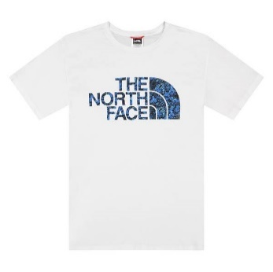 |  | 2 | 4 | 4 | 2 |  |  | 12
Styles | Description | Colours | GENDER | RRP |  | XS | S | M | L | XL | XXL | XXXL
NF0A3FJXDYY | TNF LOGO BOX CUF BNE | TNFMEDIUMGRYH 2021 | MAN | 28.00 € |  |  |  |  |  |  |  |  | 10
Styles | Description | Colours | GENDER | RRP |  | XS | S | M | L | XL | XXL | XXXL
NF0A3FJXJK3 | TNF LOGO BOX CUF BNE | TNF BLACK | MAN | 28.00 € | 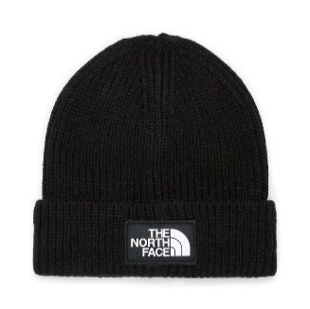 |  |  |  |  |  |  |  | 81
Styles | Description | Colours | GENDER | RRP |  | XS | S | M | L | XL | XXL | XXXL
NF00A8MUKY4 | W DREW PEAK PULL HD | TNF BLACK | WOMAN | 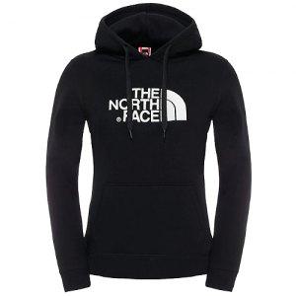 80.00 € |  |  |  |  |  |  | 2 |  | 2
Styles | Description | Colours | GENDER | RRP |  | XS | S | M | L | XL | XXL | XXXL
NF0A4TIMJK3 | Y 96 RTRO NUPTSE JKT | TNF BLACK | MAN | 280.00 € | 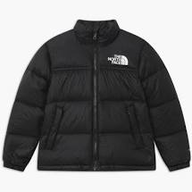 |  | 1 | 1 | 4 | 6 |  |  | 12
Styles | Description | Colours | GENDER | RRP |  | XS | S | M | L | XL | XXL | XXXL
NF0A33H456P | Y DREW PEAK PO HDY | SUMMIT GOLD | JUNIOR | 55.00 € |  |  |  | 2 | 2 | 2 |  |  | 6
Styles | Description | Colours | GENDER | RRP |  | XS | S | M | L | XL | XXL | XXXL
NF0A33H4DYY | Y DREW PEAK PO HDY | TNFMEDIUMGRYH 2021 | JUNIOR | 55.00 € | 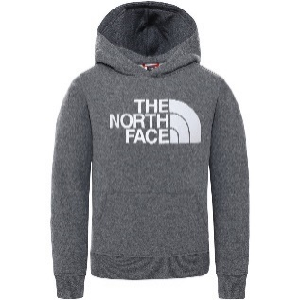 |  |  |  |  | 6 |  |  | 6
 | Description | Colours | GENDER | RRP |  | XS | S | M | L | XL | XXL | XXXL
NF0A3S3BDYY | Y EASY L/S TEE | TNFMEDIUMGRYH 2021 | JUNIOR | 30.00 € |  |  |  | 1 |  |  |  |  | 1
 | Description | Colours | GENDER | RRP |  | XS | S | M | L | XL | XXL | XXXL
NF0A3S3BKY4 | Y EASY L/S TEE | TNF BLACK | JUNIOR | 30.00 € | 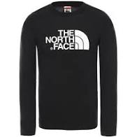 |  |  |  | 1 | 1 |  |  | 2
 | Description | Colours | GENDER | RRP |  | XS | S | M | L | XL | XXL | XXXL
NF0A2WAIGAZ | Y FLEECE PANT | TNFMEDIUMGRYH 2021 | JUNIOR | 50.00 € |  |  | 1 | 2 | 4 | 3 |  |  | 10
 | Description | Colours | GENDER | RRP |  | XS | S | M | L | XL | XXL | XXXL
NF0A2WAIKY4 | Y FLEECE PANT | TNF BLACK | JUNIOR | 50.00 € |  |  | 1 | 2 | 4 | 3 |  |  | 10
 | Description | Colours | GENDER | RRP |  | XS | S | M | L | XL | XXL | XXXL
NF0A4MA521L | Y NEW BOX P/O HOODIE | TNF BLACK | JUNIOR | 55.00 € | 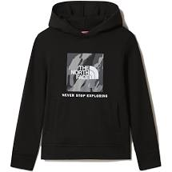 |  |  | 2 | 4 | 3 |  |  | 9
 | Description | Colours | GENDER | RRP |  | XS | S | M | L | XL | XXL | XXXL
NF0A4MA5FN4 | Y NEW BOX P/O HOODIE | WHITE-BLACK | JUNIOR | 55.00 € |  |  |  |  |  | 3 |  |  | 3
 | Description | Colours | GENDER | RRP |  | XS | S | M | L | XL | XXL | XXXL
NF00A3P7K3H | Y S/S EASY TEE | TNF BLACK/GLOW IN THE DARK | JUNIOR | 25.00 € | 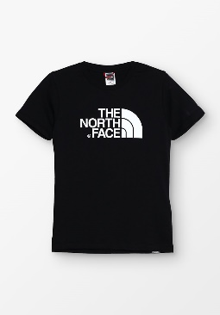 |  |  |  | 11 |  |  |  | 11
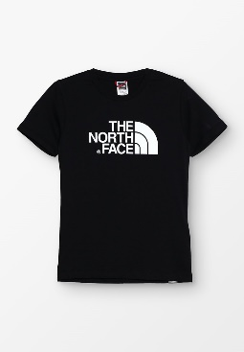
 | Description | Colours | GENDER | RRP |  | XS | S | M | L | XL | XXL | XXXL
NF00A3P7KY4 | Y S/S EASY TEE | TNF BLACK/TNF WHITE | JUNIOR | 25.00 € |  |  |  |  | 3 | 6 |  |  | 9
 | Description | Colours | GENDER | RRP |  | XS | S | M | L | XL | XXL | XXXL
NF0A2WANLA9 | Y SS SIMPLE DOME TEE | WHITE-BLACK | JUNIOR | 20.00 € |  |  |  |  |  | 1 |  |  | 1
 | Description | Colours | GENDER | RRP |  | XS | S | M | L | XL | XXL | XXXL
NF0A493721L | B SURGENT P/O BLOCK | NEW TAUPE GR 2021 | JUNIOR | 55.00 € |  |  |  |  | 3 | 4 |  |  | 7
 | Description | Colours | GENDER | RRP |  | XS | S | M | L | XL | XXL | XXXL
NF00C256JK31 | W S/S EASY TEE - BLACK | MALLARD BLUE | WOMAN | 30.00 € |  |  | 3 | 5 | 5 | 4 |  |  | 17
 | Description | Colours | GENDER | RRP |  | XS | S | M | L | XL | XXL | XXXL
NF0A2TX3NL4 | M S/S Easy Tee - Eu | NAVY | MAN | 30.00 € |  |  | 5 | 19 | 9 |  |  |  | 33
 | Description | Colours | GENDER | RRP |  | XS | S | M | L | XL | XXL | XXXL
NF0A2TX2FN4 | M S/S Redbox Tee - Eu | WHITE-BLACK | MAN | 40.00 € | 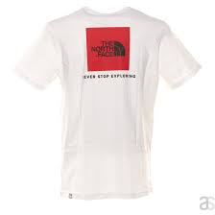 |  | 5 | 9 | 5 |  |  |  | 19
 | Description | Colours | GENDER | RRP |  | XS | S | M | L | XL | XXL | XXXL
NF0A4SWMJK3 | M HMLYN FULL ZIP HD | TNF BLACK/TNF WHITE | MAN | 100.00 € | 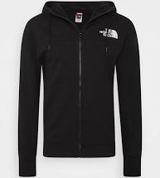 |  | 2 | 2 | 2 | 2 |  |  | 8
 | Description | Colours | GENDER | RRP |  | XS | S | M | L | XL | XXL | XXXL
NF0A2TUVKX7 | M SEAS DREW PEAK HD | TNF BLACK/TNF WHITE | MAN | 75.00 € |  |  | 1 | 2 | 2 | 1 |  |  | 6
 | Description | Colours | GENDER | RRP |  | XS | S | M | L | XL | XXL | XXXL
NF0A2TUVQ31 | M SEAS DREW PEAK HD | MALLARD BLUE | MAN | 75.00 € |  |  | 1 | 1 | 1 | 1 |  |  | 4

 |  |  |  |  |  |  |  |  |  |  |  |  | 669

